TAPS SA
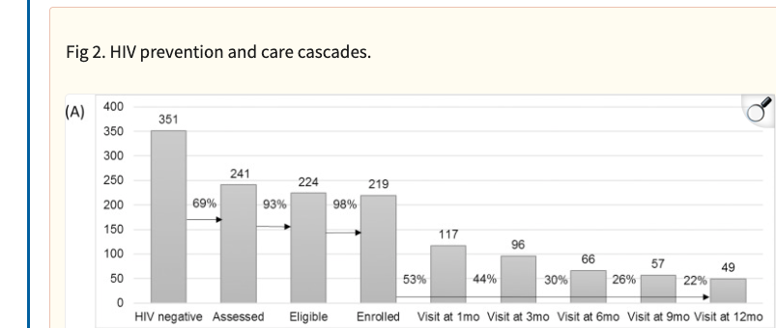
Month | People | Loss | Time fram | people getting | Time | Prep time
0 | 219 |  |  |  |  | 0
1 | 117 | 102 | 0-1 month | 102 | 0.5 | 51
3 | 96 | 21 | 1-3 month | 21 | 2 | 42
6 | 66 | 30 | 3-6 month | 30 | 4.5 | 135
9 | 57 | 9 | 6-9 month | 8 | 7.5 | 60
12 | 49 | 8 | 9-12 month | 8 | 10.5 | 84
 |  | 49 | 12 months | 49 | 12 | 588

 |  |  |  | Averg time on ART |  | 2.6849315068

https://pmc.ncbi.nlm.nih.gov/articles/PMC5697804/#sec011

 |  |  | 18

 |  |  | 0.25394932936

